Flow
Manual Add New Items
(QM PM Web)
Auto transfer QM Dept. Web
(QM PM Web & Hana EQ Web)
Auto transfer PM Web
(Machine Buyoff Tracking Web)
Auto E-mail notify to owner
review twice a year
(MAY&SEP)

Review information
"Waiting Review"

Is information fill properly?
NO

YES
Automate update to
"QM ASSET Master list"

Authorize person update Book value (Data from FIN)

End

Dashboard
Asset Management Dashboard
Dashboard & Statistics



26

Number of Main M/C
133

107

Number of QM Asset
Number of Equipment
Machine Status

Condition Breakdown

111.6

M THB

Net QM Asset Value

22.6

M THB
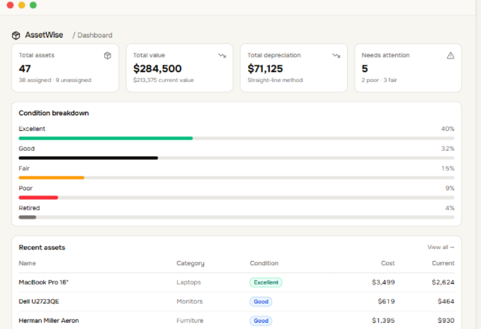
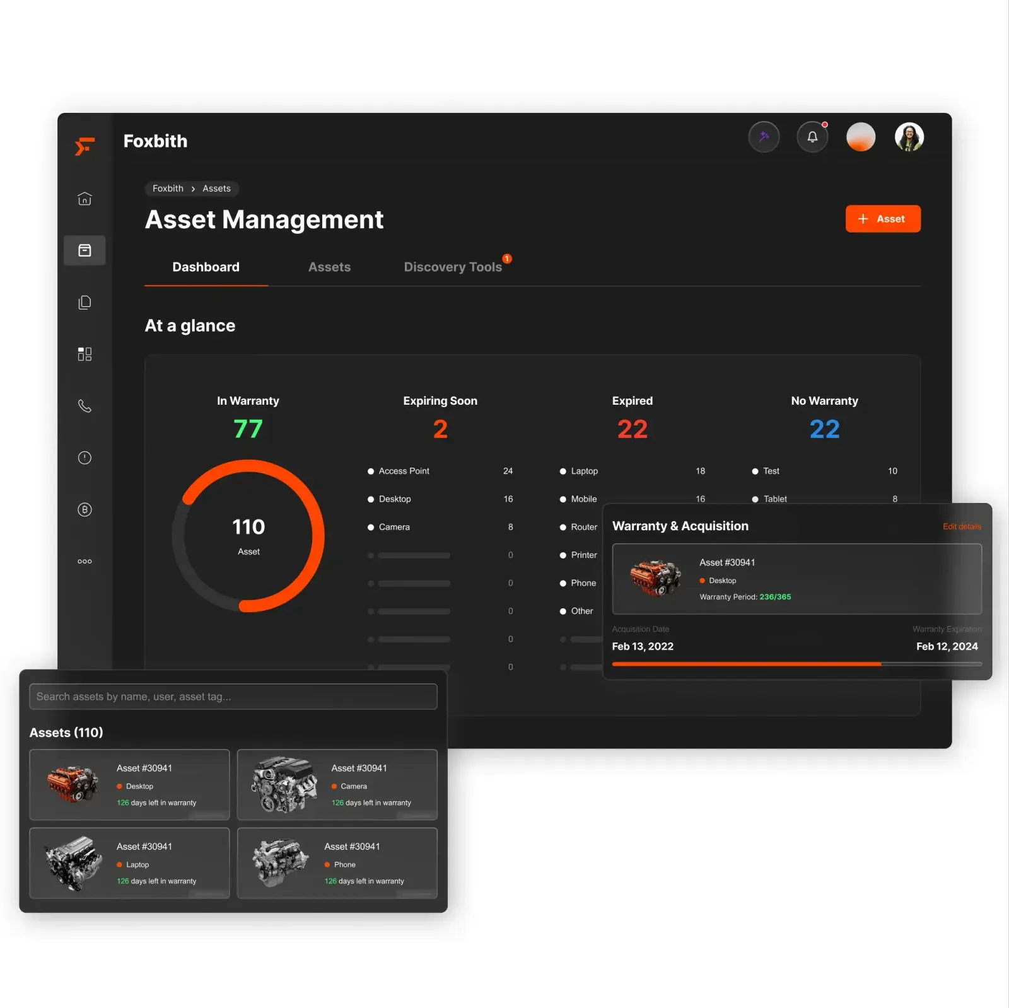

Net QM Asset Depreciation

Add NEW
 | Requirements ::
 | Add New Item in QM Asset Masterlist
 | After submit, the waiting list will show to authorized CAL team only for review Book value
 |  |  |  |  | ADD NEW ITEM QM ASSET - HANA LAMPHUN
HANA MICROELECTRONICS PUBLIC CO., LTD ( LAMPHUN )

ADD ASSET
 |  |  |  |  |  |  |  |  |  |  |  |  |  |  |  |  |  |  |  |  |  | Last updated : YYYY/MM/DD

ITEM | Machine Name | Brand | Model | Serial No. | BOI No. | Asset No. | Machine No. | Calibration ID | Machine Type | Received Date | AGE (YR) | Invoice No. | INV. COST | AMOUNT (THB) | Owner | Location | Plant | Floor | Area | Book Value (THB) | REMARK
1
2
- User fill up information required, then press submit
- After submit, the list will show in Waiting list review // QM Dept. web online, that need to confirm Book value by CAL team
3
4

 | *Required to fill all information except Book Value

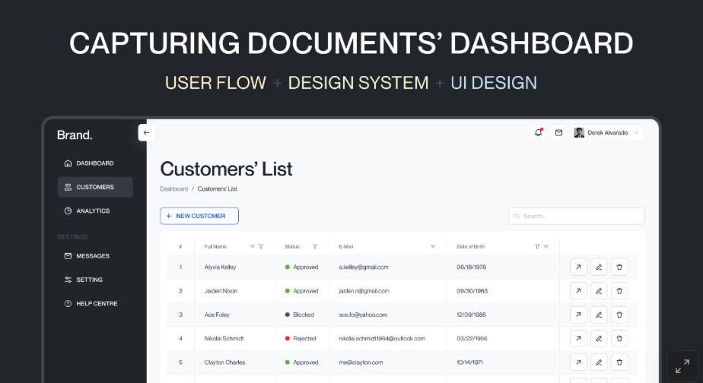

 |  |  |  |  |  |  |  |  |  |  |  |  |  |  |  |  |  |  |  | Book Value (THB)

Waiting list review
 | Requirements ::
 | All request "DONE" registration from QM Dept. web(QM PM Web&Hana Equipment Web) and Machine Buy-off Tracking Web, will show in "Waiting list to Review" which need to update QM Asset Masterlist

 |  |  |  |  | QM ASSET MASTER LIST - HANA LAMPHUN
HANA MICROELECTRONICS PUBLIC CO., LTD ( LAMPHUN )
 |  |  |  |  |  |  |  |  |  |  |  |  |  |  |  |  |  |  |  |  |  |  | Last updated : YYYY/MM/DD
Waiting list review // QM Dept. web online
ITEM | Update | Machine Name | Brand | Model | Serial No. | BOI No. | Asset No. | Machine No. | Calibration ID | Machine Type | Received Date | AGE (YR) | Invoice No. | INV. COST |  | AMOUNT (THB) | Owner | Location | Plant | Floor | Area | Book Value (THB) | REMARK
1 |  | Micro XRF | Bruker | M4 Tornado | 411004590323 | N/A | HM22063 | 103 | N/A | Analysis Equipment |  |  |  |  | USD |  | APICHAYA P. | FA | FA | 1 | FA_Lab
2 |  | High Speed Camera System | Protron | MC 2.1 | 361412120 , 362904030 | N/A | HM11252 | 22 | N/A | Analysis Equipment |  |  |  |  | THB |  | APICHAYA P. | FA Lab | FA Lab | N/A | FA Lab
3 |  | Measuring Microscope.1 | Olympus | STM5-RE-322 | 607001 | N/A | HM1190 | 41 | MTE-3-411 | Measuring&Test Equipment |  |  |  |  |  |  | JAREE P. | OP1S | LPN2 | 2 | Synaptics
4 |  | Vision measuring Machine | Mitutoyo | QV-X302T1L-E | 101312311 | N/A | HM23373 | 109 | MTE-3-2926 | Measuring&Test Equipment |  |  |  |  |  |  | JITTEEPAK P. | IQA | 4 | 1 | IQA LPN1

- User fill up information required, then press update waiting list
- After update, the list will show in QM ASSET Master list Page

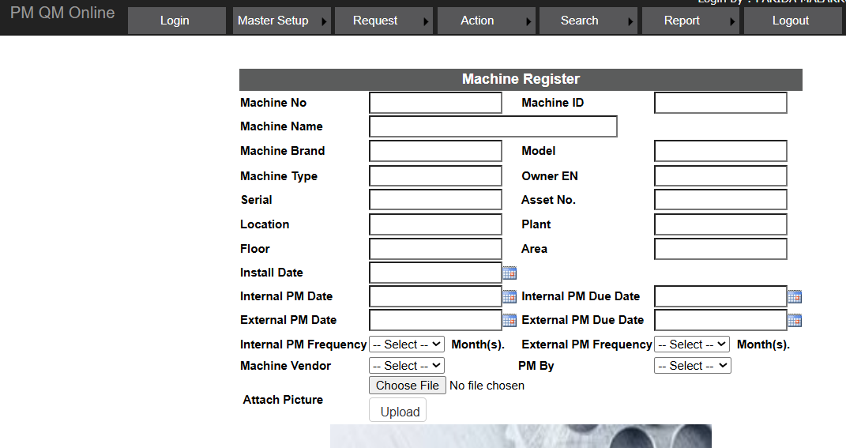
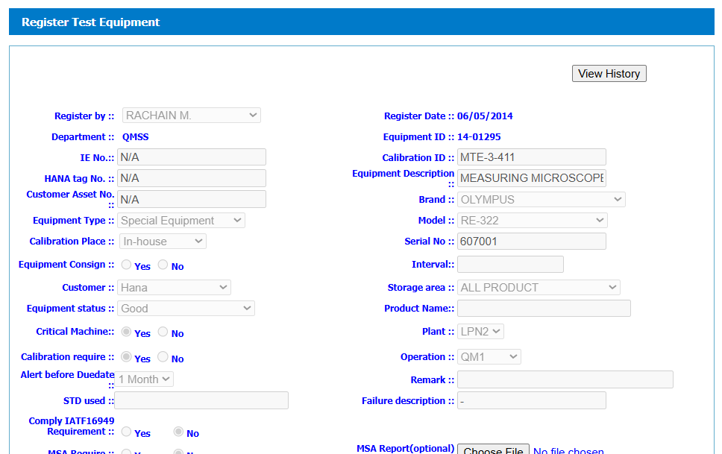
 |  | QM PM Web
 |  | Hana Equipment online Web
 |  | Manual fill up
 |  | Automate calculation

 |  |  |  | http://194.10.10.48/PMQM_Online/Default |  |  |  | http://194.10.10.48:86/hanalpn_equipment/Default.aspx

Waiting list review // Machine Buy-off Tracking online
ITEM | Update | Machine Name | Brand | Model | Serial No. | BOI No. | Asset No. | Machine No. | Calibration ID | Machine Type | Received Date | AGE (YR) | Invoice No. | INV. COST |  | AMOUNT (THB) | Owner | Location | Plant | Floor | Area | Book Value (THB) | REMARK
1 |  |  |  |  |  |  |  |  |  |  |  |  |  |  | USD
2 |  |  |  |  |  |  |  |  |  |  |  |  |  |  | THB
3
4
5
 |  | Description | Manufacturer |  |  |  |  |  |  |  |  |  |  |  |  |  | Originator

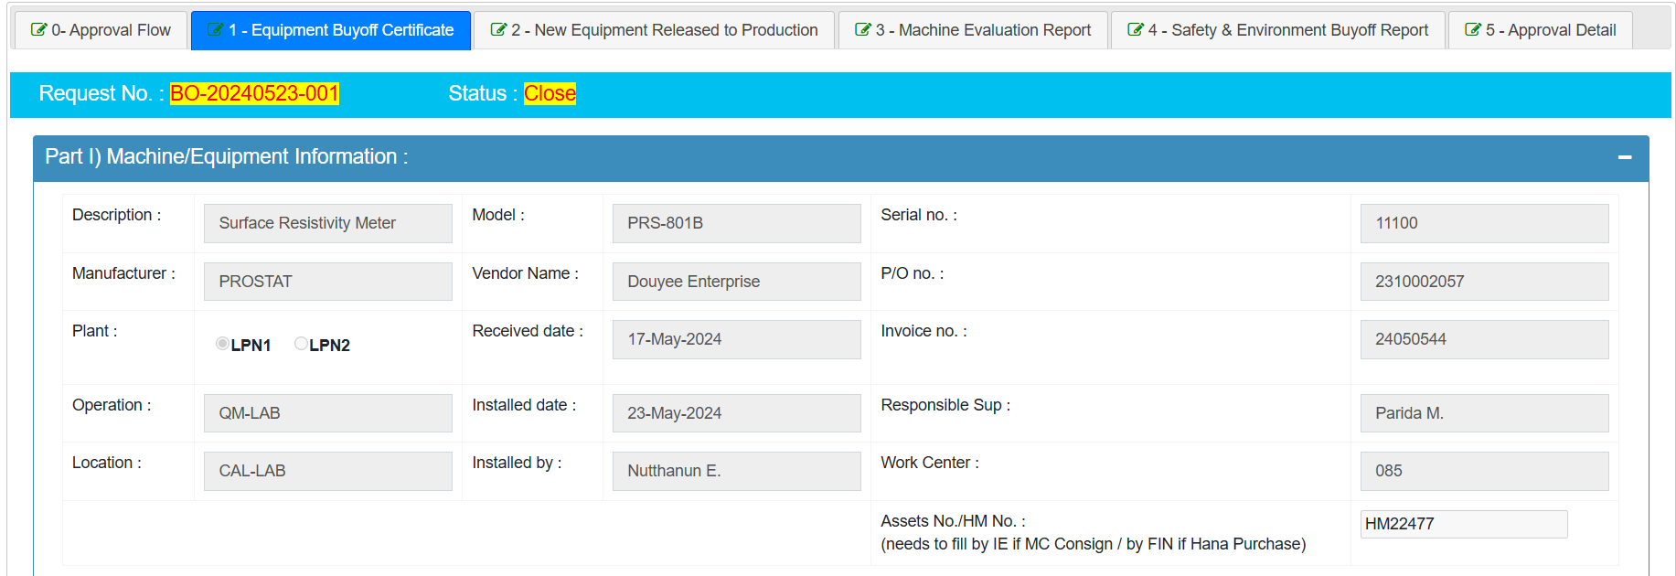
 |  |  |  |  |  |  |  |  |  |  | Select ::
 |  |  |  |  |  |  |  |  |  |  | Analysis Equipment
 |  |  |  |  |  |  |  |  |  |  | Measuring&Test Equipment
 |  |  |  |  |  |  |  |  |  |  | Machine

QM ASSET Master list
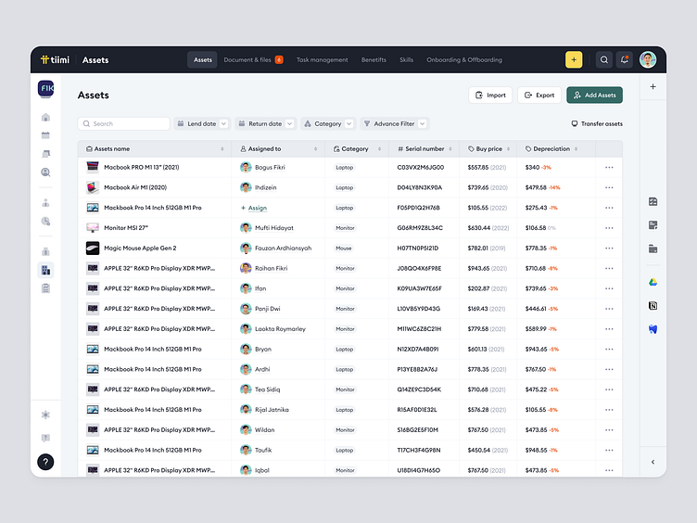
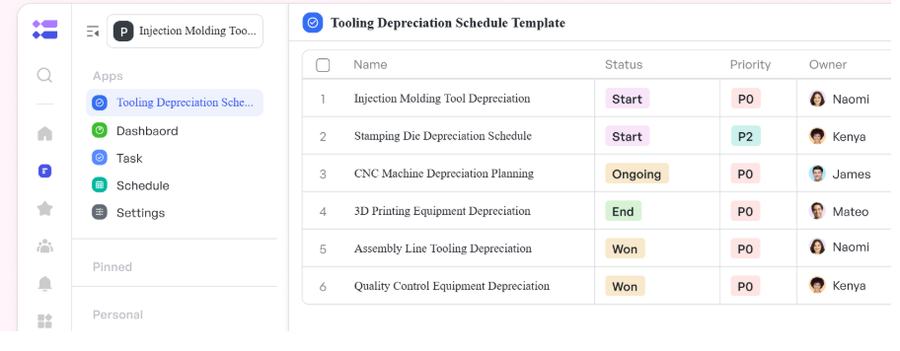
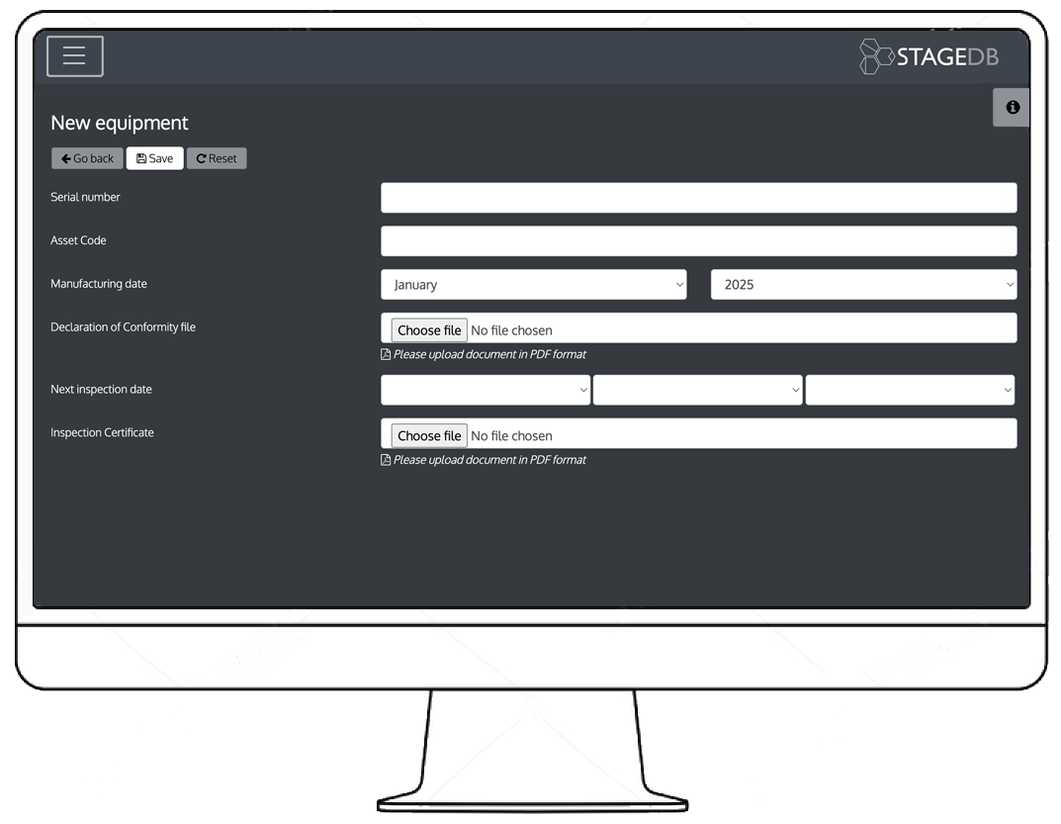
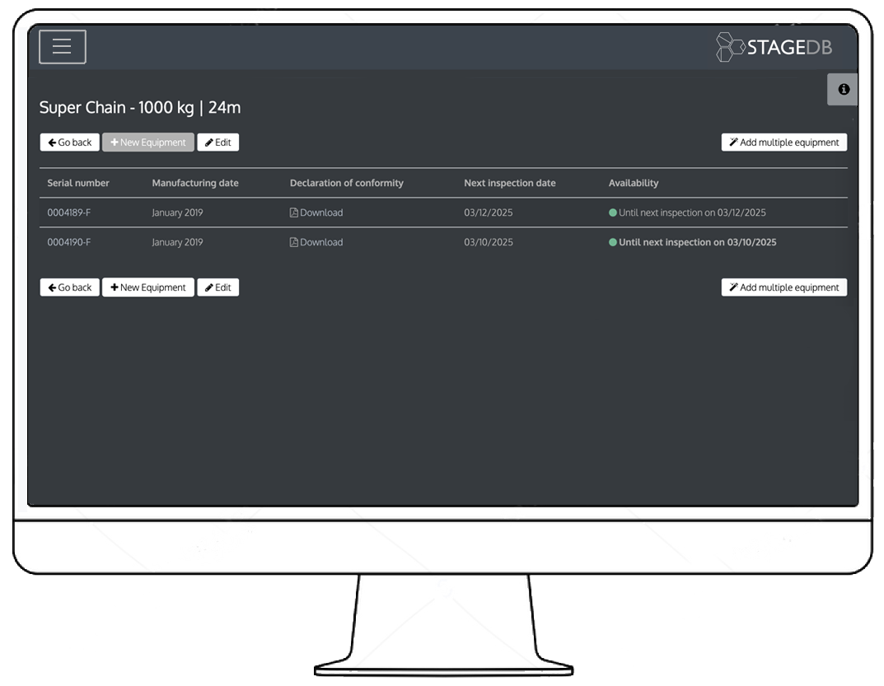
 |  |  |  |  | QM ASSET MASTER LIST - HANA LAMPHUN
HANA MICROELECTRONICS PUBLIC CO., LTD ( LAMPHUN )
 |  |  |  |  |  |  |  |  |  |  |  |  |  |  |  |  |  |  |  |  |  |  |  |  | Last updated : YYYY/MM/DD
ITEM | Edit | Machine Name | Brand | Model | Serial No. | BOI No. | Asset No. | Machine No. | Calibration ID | Machine Type | Received Date | AGE (YR) | Invoice No. | INV. COST |  | AMOUNT (THB) | Owner | Location | Plant | Floor | Area | Book Value (THB) | Status | Require (Y/N) | REMARK
 |  |  |  |  |  |  |  |  |  |  |  |  |  |  | USD |  |  |  |  |  |  |  | Fair
 |  |  |  |  |  |  |  |  |  |  |  |  |  |  | THB |  |  |  |  |  |  |  | Good
 |  |  |  |  |  |  |  |  |  |  |  |  |  |  |  |  |  |  |  |  |  |  | Poor
 |  |  |  |  |  |  |  |  |  |  |  |  |  |  |  |  |  |  |  |  |  |  | Discontinue part
 |  |  |  |  |  |  |  |  |  |  |  |  |  |  |  |  |  |  |  |  |  |  | Written off

 |  |  |  |  |  |  |  |  |  |  |  |  |  |  |  |  |  |  |  |  |  | 7 Year useful life for QM Asset
 |  | Owner/Mgr.'s Owner | Level1 | Edit their own
 |  | ADMIN/QM Lab Mgr./HOD | Level2 | Edit all

 |  | Edit

 |  | Save

Setup Admin
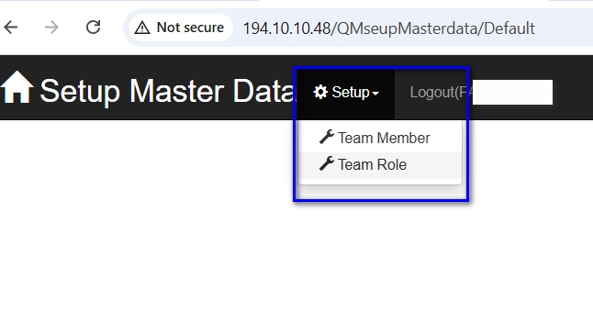
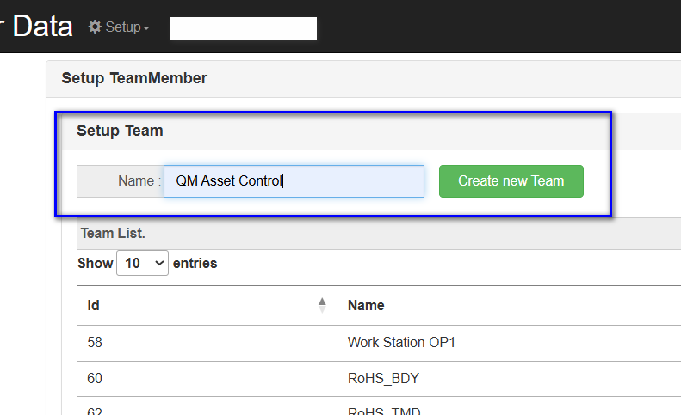
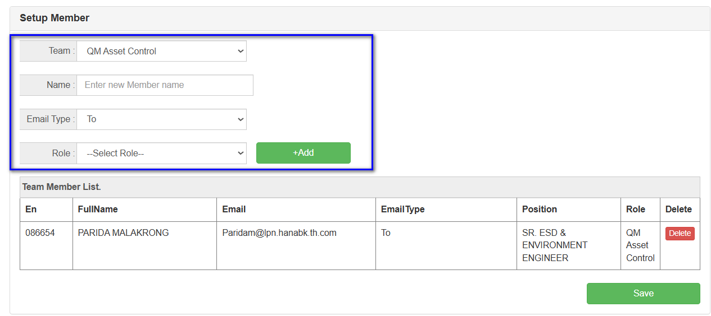
Use link QM Center
 | http://194.10.10.48/QMseupMasterdata/Default

